Project Charter Template
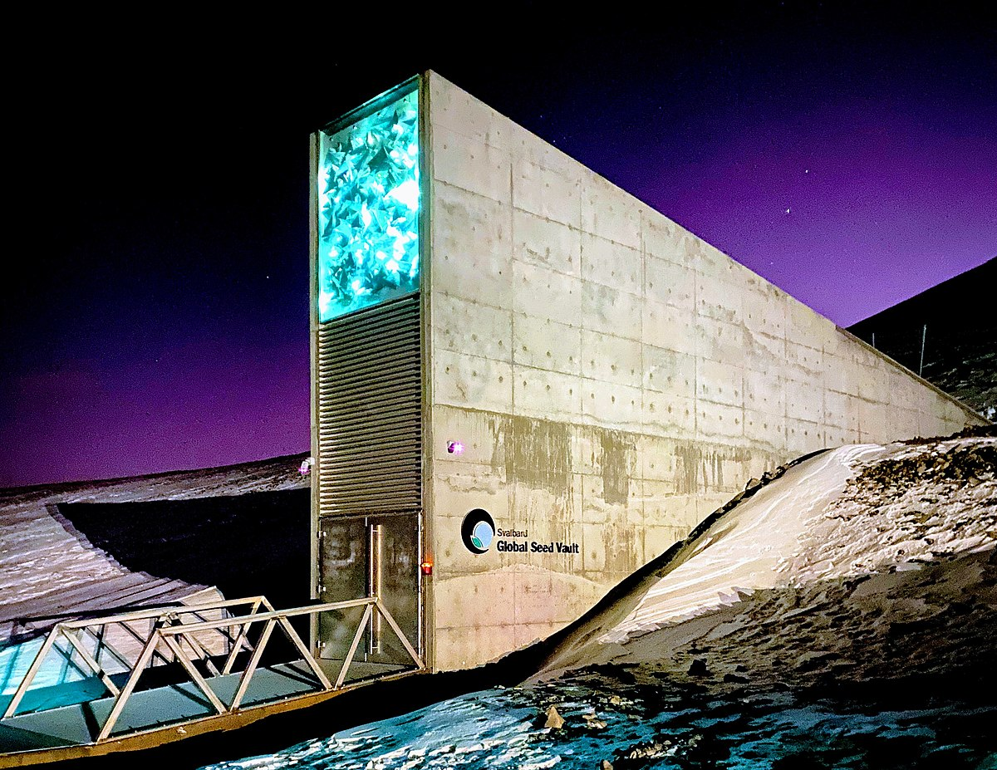
.
SAVING TERRA Project Charter Template
General Project Information
Project Name |  | SAVING TERRA
Project Sponsor
Project Manager |  | GORDON ELLIOTT WILLIAMS
Email Address |  | GELLIOTTWILLIAMS@GMAIL.COM
Phone Number |  | 678.733.7119
Organizational Unit |  | WORLD SEED BANK
Process Impacted |  | Monthly Performance Reporting
Expected Start Date |  | 2021-09-01
Expected Completion Date |  | ONGOING
Expected Savings
Estimated Costs
Describe the Problem or Issue, Goals, Objectives, and Deliverables of this Project
Problem or Issue | Continuing preparation for a cataclysmic ervent, natural or unnatural.
Purpose of Project | To ensure the reemergence of humankind, aniimals, sea-borne creatures, and all plant life, in the case of a worldwide, cataclysmic event.
Business Case | An extinction level event happened 65 million years ago that wiped out 50 percent of all plants and anumals. Scientists most mass extinction level events in the following categories: End-Ordovician, Late Devonian, End-Permian, End-Triassic, and End-Cretaceous. There have been 17 events of this nature on our planet that changed our planet forever. As we have evolved into higher level beings, it is out primary purpose to ensure that we care for the only planet that can sustain life by providing sanction for all beings, animal or plant.
Goals / Metrics | Currently there are several projects around the globe of this magnitude, but the one we are working in conjunction with is the Global Seed Vault, also known as the Doomsday Vault, in Norway. They currently hold the world's largest collection of agricultural biodiversity. But the collection is one t hat is ongoing because thousands of new plants, insects, and animal species are discovered every year. Knowing this, there is a need to catalogue and garner seed specimens in case of a cataclysmic event.
Expected Deliverables | We will be acting as the employing unit for the Project Manager and Sponsor. We predict tnat we will need 200 - 300 specialiosts ranging from botanists (plants), a cytopogist (celluilar), a zoologist (animals), a microbiologist, and a marione biologist. Each scientist will have a small team of spoeciialists for their documentation and transportation of their finds. We will have one ecologist and agronomist at the Global Seed Vault to verify the tyupe of care needed for the specimens after storage.
Project Scope and Schedule
Within Scope | This project is limited to only those projects that are considered "developmental" since these projects must report Earned Value Management and these projects currently rely on the Project Management System for cost data.
Outside of Scope
Tentative Schedule |  | Key Milestone | Start |  | Complete
 |  | Because thousands of specimens are discovered yearly, this project has no specific milestone or completion date

Project Resources and Costs
Project Team |  | The Project Team will bne outsourced through an employment agency specializing in the vetting of scientists.
Support Resources |  | The Global Seed Vault in Norway staff will provide some administrative, data gathering and specimen collection and crygenic services assistance.
Special Needs |  | Some areas of the world lare blocked by unsurly government bodies that may require 'financial' assistance to access thoise areas.

Cost Type |  | Vendor / Labor Names | Rate | Qty | Amount
Labor |  |  |  |  | $0
Labor |  |  |  |  | $0
Labor |  |  |  |  | $0
Labor |  |  |  |  | $0
Labor |  |  |  |  | $0
Miscellaneous |  |  |  |  | $0
 |  |  | Total Costs |  | $0
Project Benefits and Customers
Process Owner |  | The Project Sponsor aand Manager owns the overall process over cost performance reporting for travel arrangements of specimens, and salaries of the scientists and their contractors. Each Lead Scientist must make sure they follow a set of procedures for capturing and reporting actual costs correctly. The Project Manager provides oversight and support for the processes.
Key Stakeholders |  | All personnel assigned to the Lead Scientists, including Project Managers, Project Sponsors, Project Schedulers, and Budget Managers. All personnel who provide leadership support above the project level, including all Lead Scientists within the organization and outside departments or agencies that have an interest in the cost performance of this endeavor.
Expected Benefits
Benefit |  | Basis of Estimate |  |  | Est Benefit
Salary: Project Manager
Salayy: Project Sponsor
Salary: Scientists
Salary: Specialists
Cost: Specimen Transport
Cost: Miscellaneous
Cost: Miscellaneous
 |  |  |  |  | $0
Project Risks, Constraints, and Assumptions
Risks |  | All risk to this projecty are those normally obtained in the roles of the scientists (usually health related). These associated risks can be handled with a health insurance plan.
Constraints |  | All resources will be handled by the Project Sponsor, with the approval of the Project Manager. All shipping for the specimens will bne handled by he Special Products/Medical Division of United Parcel Service.
Assumptions |  | 1. This project assumes that all stakeholders will understand and accept the six sigma related work products and deliverables. 2. This project has support from the CFO and CEO of the World Seed Bank, and all countries on every continent with the exception of China and Brazil. This project assumes that this sponsorship and support is sufficient to push successful implementation of solutions that result from this project.

Prepared by: |  | Gordon Elliott Williams | Date: | 2021-05-24 01:41:03

